R-410A_Calculator
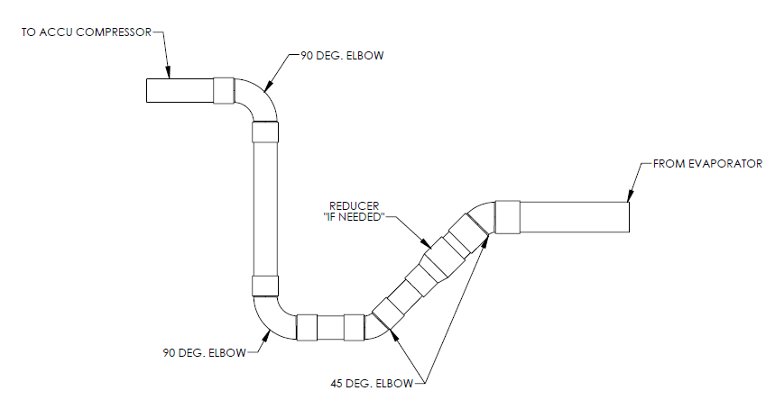
REFRIGERANT PIPING REVIEW

Job Name: |  | 20241002001 - Inspira IMC Mannington Pharmacy |  |  |  | Rep Office: | TriState HVAC Equipment, LLP
Job Description: |  | DCSA040 (fixed speeds on both circuit) coupled with Skyline DXG12C12 |  |  |  | Sales Person: | Mark Lombardi
Model Number: |  |  |  |  |  | Date: | 2025-03-12
Circuit #: |  | Identical Circuits (1=2)
 |  |  |  |  |  |  |  |  | 426725.0
Refrigerant |  |  | R-410A |  |  |  |  |  | 213362.5
Circuit Cooling Capacity |  |  | 17.8 | TONS | CKT#1 = 2 fixed speed compressors, CKT#2 = 2 fixed speed compressors |  |  |  | 17.8
Minimum Circuit Cooling Capacity |  |  | 8.9 | TONS | Staging = 0-25-50-75-100
Condensing Temperature |  |  | 120 | oF | Assumed
Saturated Suction Temperature (SST) |  |  | 40 | oF | Enter Value between -60oF & 40oF
Superheat |  |  | 10 | oF | Assumed
Discharge Refrigerant Temperature |  |  | 180 | oF | Required if designing discharge line.
(Circuit cooling capacity based off Refrigeration Effect from condenser tech data sheets)
 |  | LIQUID LINE

 |  | Fitting/Valve Losses in Equivalent Feet of Pipe |  |  |  | Table Data
 |  | Accessory | Quantity | Equivalent Losses |  | Table Le | 100 | FEET
 |  | 90° Std Elbow | 8 | 12.0 | FEET | Table Dt | 1.0 | oF
 |  | 45° Std Elbow | 0 | 0.0 | FEET | Table DP | 4.75 | PSI
 |  | Globe or Solenoid Valve | 1 | 17.5 | FEET | Table Capacity | 14.3 | TONS
 |  | Sight Glass | 1 | 1.1 | FEET | Actual / Operating Conditions
 |  | Filter Drier | 1 | 13.5 | FEET | Actual Le | 116.1 | FEET
 |  | Click here to select fitting. | 0 | 0.0 | FEET | Actual Dt | 1.72 | oF
 |  |  |  |  |  | Actual DP | 8.18 | PSI
 |  | Length of Straight Pipe |  | 60.0 | FEET | Line Capacity | 17.8 | TONS
 |  | Velocity at Rated Circuit Capacity | Acceptable | 320 | Feet/Min. | Size of Liquid Line | 0.75 | INCHES
 |  | Calculations Based on Ch. 1, 2014 ASHRAE Handbook REFRIGERATION

 |  | SUCTION LINE

 |  | Fitting/Valve Losses in Equivalent Feet of Pipe |  |  |  | Table Data - Horizontal Pipe
 |  | Accessory | Quantity | Equivalent Losses |  | Table Le | 100 | FEET
 |  | 90° Std Elbow | 8 | 26.4 | FEET | Table Dt | 2.0 | oF
 |  | 45° Std Elbow | 0 | 0.0 | FEET | Table DP | 4.51 | PSI
 |  | Click here to select fitting. | 0 | 0.0 | FEET | Table Capacity | 13.7 | TONS
 |  | (Assumes ?? traps) |  |  |  | Actual / Operating Conditions - Horizontal Pipe
 |  | Length of Horizontal Suction Pipe |  | 55.0 | FEET | Actual Le | 93.4 | FEET
 |  | Horizontal Suction @ Min CKT Capacity | Acceptable | 1,366 | Ft. / Min | Actual Dt | 2.98 | oF
 |  |  |  |  |  | Actual DP | 6.71 | PSI
 |  | Determine Size of Suction Riser for Minimum Capacity |  |  |  | Line Capacity | 17.8 | TONS
 |  | Minimum Capacity of HVAC Unit |  | 8.9 | TONS | Size of Suction Line | 1.375 | INCHES
 |  | Size of Suction Line Riser |  | 1.375 | INCHES
 |  | Length of Vertical Suction Riser (MAX 60 ft total) |  | 5.0 | FEET | Table Data - Suction Riser
 |  | Vertical Suction Riser, @ Min. CKT Capacity | Acceptable | 1,366 | Ft. / Min | Table Le | 100 | FEET
 |  |  |  |  |  | Table Dt | 2.0 | oF
 |  |  |  |  |  | Table DP | 4.51 | PSI
 |  | Actual / Operating Conditions - Total |  |  |  | Table Capacity | 13.7 | TONS
 |  | Actual Dt |  | 3.14 | oF | Actual / Operating Conditions - Suction Riser
 |  | Actual DP |  | 7.07 | PSI | Actual Le | 5.0 | FEET
 |  | Size of Horizontal Suction Line |  | 1.375 | INCHES | Actual Dt | 0.16 | oF
 |  | Size of Vertical Suction Riser |  | 1.375 | INCHES | Actual DP | 0.36 | PSI
 |  | Minimum Capacity for Vertical Suction Riser |  | 3.1 | TONS | Line Capacity | 17.8 | TONS
 |  | Calculations Based on Ch. 1, 2014 ASHRAE Handbook REFRIGERATION

 | Also, please reference notes below:
 | • Refer to installation manual 903 (C vintage), 914-4 (D vintage), or 962 (F vintage), and Application Guide 31-011 for equipment installation and piping requirements. The installation manuals include recommendations for best piping practices, and are summarized below.
 | equipment installation and piping requirements. The installation manuals include recommendations for best
 | piping practices, and are summarized below.
 | • Daikin does not size or design piping. We can only review completed drawings and make recommendations based on
 | the submitted data. Submitted data should be complete and include pipe sizing, components, elevations, tie-ins,
 | refrigerant, design conditions, etc...
 | • Based on the submitted data and assuming R410A and normal operating conditions see the attached documents for
 | liquid and suction line sizes for the spilt condensing unit(s).
 | • Avoid installing refrigerant lines under ground.
 | • Slope all refrigerant lines 1/8" per foot in the direction of flow.
 | • Use one liquid line solenoid per circuit and one TXV per liquid connection on evaporator coil(s).
 | • Size TXVs based on actual design conditions rather than nominal rating to insure adequate turn-down controls.
 | • Filter drier should be just before liquid line solenoid valve.
 | • Install the liquid line solenoid valve near the evaporator.
 | • Install the sight glass near the thermal expansion valve.
 | • Install a trap at the bottom of any suction or discharge gas riser. Include additional suction traps at 20’ intervals on units with fixed speed
 |  | scrolls. Digital scroll compressor circuits need traps at 10' intervals. This reduced height will allow oil return even with minimum
 |  | compressor ON time. Note: Maximum recommended vertical suction riser is 60 ft
 | • Double riser should never be used.
 | • If the evaporator coil is higher than the condenser, install a suction riser inverted trap to prevent liquid flooding.
 | • If the evaporator coil is higher than the condenser, install a check valve near the condenser to prevent liquid floodback
 |  | into the condenser during off periods.
 | • Transitions in pipe sizes should be done as not to impede oil return.
 | • Service taps or valve should be installed as required for service and testing purposes.
 | • Suction and HGBP lines should be insulated. Liquid lines should be insulated if heat pickup will affect subcooling.
 | • If HGBP is installed, pipe directly into the suction line per IM 914-5, page 24, figure 19. The sensing bulb for the TXV
 | should be moved and placed at least 3 feet down from where the hot gas bypass is introduced.
 | • System will require additional refrigerant and oil. Industry standard is to add oil weight equal to 2-3% of
 |  | TOTAL refrigerant weight (i.e. 100lbs of refrigerant = 2-3 lbs of oil).
 | • It is the responsibility of the installing contractor and start-up technician to ensure adequate liquid subcooling for any
 | vertical risers in the liquid line(s). Recommended minimum subcooling is 6°F at the expansion device, plus piping
 | pressure drop and risers.
 | R410A: 1°F subcooling per 4.7 PSI pipe pressure drop & 1°F of subcooling per 9.1 ft. of riser.
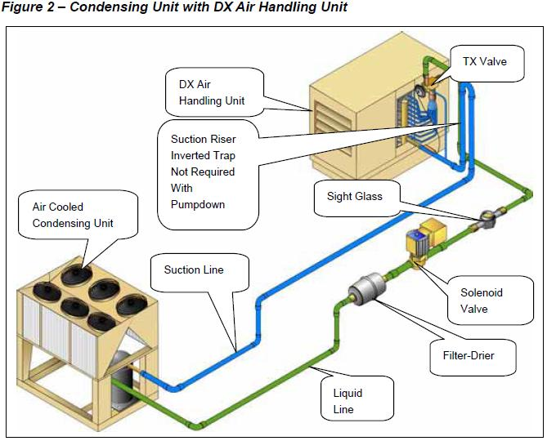

 |  | Figure 3 - Standard Refrigeration Suction Line Trap

